C & C++
1) Difference between Struct & class | #include <stdio.h>
2) OOPS Concept : Class , Object , Encapsulation, Data Abstraction, Polymorphism | void main (){
3) Prime number or not | int num[20];
4) Odd or Even | int i, j, a, n;
5) Armstrong number | printf("enter number of elements in an array\n");
6) Ascending Or Decending | scanf("%d", &n);
7) String Palindrome | printf("Enter the elements\n");
8) Sum of digits | for (i = 0; i < n; ++i)
9) What is pointer? | scanf("%d", &num[i]);
10) Pointer to Pointer | for (i = 0; i < n; ++i){
11) Constructor | for (j = i + 1; j < n; ++j){
12) Destructor | if (num[i] < num[j]){
13) what do you mean by friend function? | a = num[i];
14) differnece between Call by value & call by reference | num[i] = num[j];
15) Swap two values without using third variable | num[j] = a;
16) How to specify infinite loop | }
17) Quantradic Equation | }
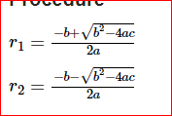
 | }
 | printf("The numbers in descending order is:\n");
 | for (i = 0; i < n; ++i){
 | printf("%d\n", num[i]);
 | }
 | }
18) Print the value 10,9,8,7,6,5

Quiz Program C++
main()
{
int const a = 5;
a++;
printf(“%d”,a);
}

Compile error - constant variable cannot be modified.

main()
{
int i = 13, j = 60;

i ^= j;
j ^= i;
i ^= j;

printf("%d %d", i, j);
}

Output 60, 13

#include<stdio.h>
int main()
{
printf("%d+%d=%d",2,2,4);
return 0;
}

Output 2+2=4

#include<stdio.h>
int main()
{
printf("learning"+1);
return 0;
}

Answer:- b) earning

let the base address of the string “learning” is 1000 then 1000+1 =1001 so printf(“learning”+1)
print string from memory address 1001, the first character will be skipped and “earning” will print. Similarly,
printf(“learning”+3) will display “rning”, and printf(“learning”+4) will display “ning”.

#include<stdio.h>
int main()
{
printf("Hello","World");
return 0;
}

In this program, “Love” is default string which will print automatically but to print another string
“ You” conversion specifier is required. If we write printf(“Love%s”,” You”); then it will give the output “Love You”.

#include<stdio.h>
int main()
{
int a;
a = 0, 1;
if(a)
{
printf("x");
printf("y");
}
printf("z");
return 0;
}

Answer is Z because it will take rightmost value which is 1

#include<stdio.h>
int main()
{
int a=4,b,c;
b = --a;
c = a--;
printf("%d %d %d",a,b,c);
return 0;
}

Answer:- d) 2 3 3

The first expression is b=–a; so, a becomes 3 (a=3) and b=3. Now, c=a–; so, c=3 and a=2. Finally, a=2, b=3 and c=3.

#include<stdio.h>
int main()
{
int a=5;
printf("%d", ++a++);
return 0;
}

Answer:- c) Compile-time error

Compile time error: lvalue required as increment operand
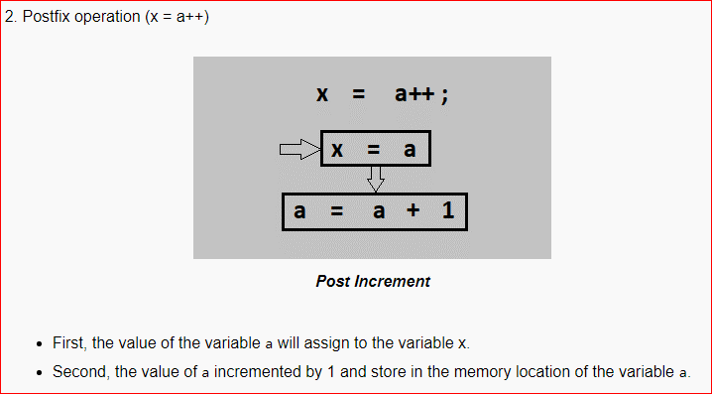
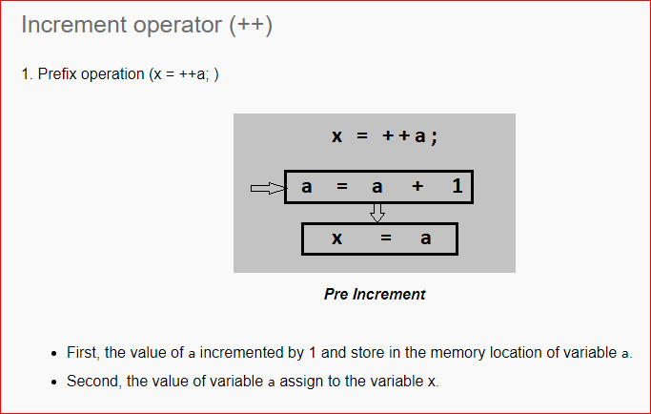
#include<stdio.h>
int main()
{
int x, y;
x = 5;
y = x++;
printf("%d ",x);
printf("%d",y);
return 0;
}

Answer:- c) 6 5

x=5 and y=x++; from y=x++, it is postfix increment so first value of x copies to variable y and now the value of x incremented by 1. Hence y=5 and x=6.

#include<stdio.h>
int main()
{
int a=4,b,c;
b = --a;
c = a--;
printf("%d %d %d",a,b,c);
return 0;

Answer:- d) 2 3 3

The first expression is b=–a; so, a becomes 3 (a=3) and b=3. Now, c=a–; so, c=3 and a=2. Finally, a=2, b=3 and c=3.

Python
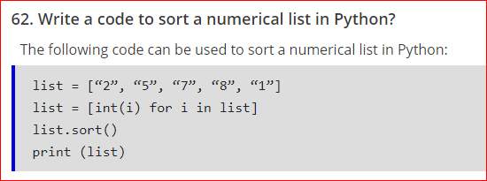
1) Differenct between List & Tuples
2) Slicing in python
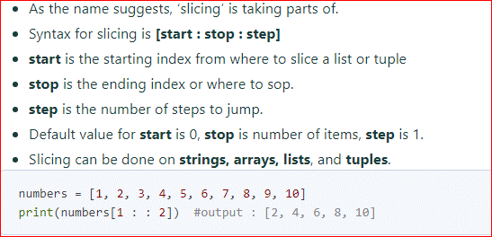

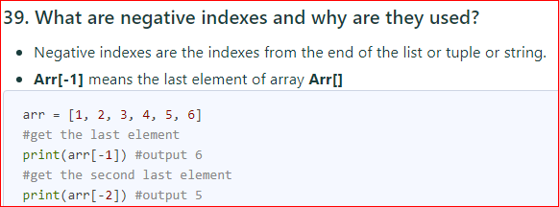

What is the output, Suppose list1 is [1, 3, 2], What is list1 * 2?

[1, 3, 2, 1, 3, 2]

Write a Python Program to Print Table of a Given Number?

n=int(input("Enter the number to print the tables for:"))
for i in range(1,11):
print(n,"x",i,"=",n*i)

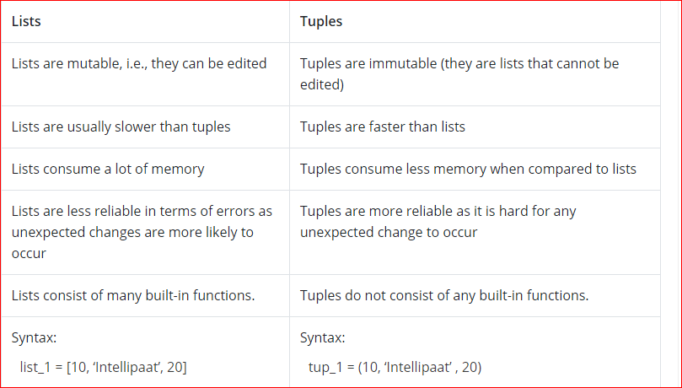

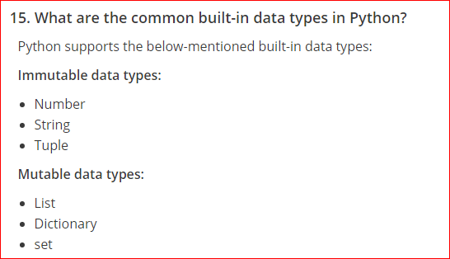

Which of the following is an invalid statement?
xyz = 1,000,000
x y z = 1000 2000 3000
x,y,z = 1000, 2000, 3000
x_y_z = 1,000,000
Ans. 2 statement is invalid.

